Export Summary Report - AUD
 |  |  |  |  |  | Dairy Export Report

 |  |  |  |  |  |  |  | May 2026

 |  |  |  |  |  |  |  |  | 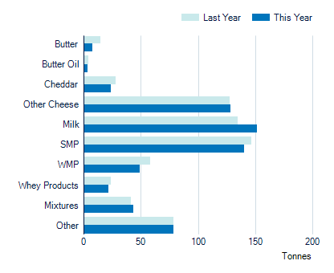
Tonnes |  | Last Year Jul - May |  | This Year Jul - May
Butter |  | 14,939 |  | 7,581
Butter Oil |  | 4,278 |  | 3,175
Cheddar |  | 28,262 |  | 23,603
Other Cheese |  | 127,423 |  | 128,129
Milk |  | 134,636 |  | 151,017
SMP |  | 146,623 |  | 139,918
WMP |  | 57,901 |  | 49,129
Whey Products |  | 23,551 |  | 21,804
Mixtures |  | 41,176 |  | 43,451
Other Dairy Products |  | 78,467 |  | 78,397
Total |  | 657,256 |  | 646,205

 |  |  |  |  |  |  |  |  | 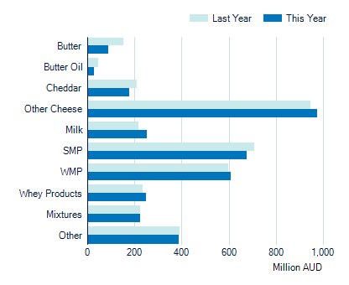
Value ('000 AUD) |  |  | Last Year Jul - May |  | This Year Jul - May |  | % Change
Butter |  |  | 153,395 |  | 87,954 |  | -42.7%
Butter Oil |  |  | 44,507 |  | 26,925 |  | -39.5%
Cheddar |  |  | 208,168 |  | 178,299 |  | -14.3%
Other Cheese |  |  | 946,964 |  | 975,320 |  | 3.0%
Milk |  |  | 217,184 |  | 252,517 |  | 16.3%
SMP |  |  | 708,770 |  | 676,952 |  | -4.5%
WMP |  |  | 596,950 |  | 606,594 |  | 1.6%
Whey Products |  |  | 234,067 |  | 250,260 |  | 6.9%
Mixtures |  |  | 223,146 |  | 224,213 |  | 0.5%
Other Dairy Products |  |  | 389,835 |  | 387,974 |  | -0.5%
Total |  |  | 3,722,986 |  | 3,667,009 |  | -1.5%

 | Produced by the Economics, Data and Insights team at Dairy Australia Source Australian Bureau of Statistics Disclaimer The content of this publication is provided for general information only and has not been prepared to address your specific circumstances. We do not guarantee the completeness, accuracy or timeliness of the information.

