Export Summary Report - AUD
 |  |  |  |  |  | Dairy Export Report

 |  |  |  |  |  |  |  | June 2026

 |  |  |  |  |  |  |  |  | 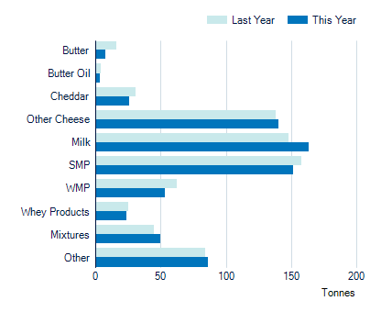
Tonnes |  | Last Year Jul - Jun |  | This Year Jul - Jun
Butter |  | 16,306 |  | 8,007
Butter Oil |  | 4,478 |  | 3,341
Cheddar |  | 30,639 |  | 25,684
Other Cheese |  | 137,954 |  | 140,153
Milk |  | 147,498 |  | 163,341
SMP |  | 157,970 |  | 151,512
WMP |  | 62,207 |  | 53,458
Whey Products |  | 25,102 |  | 24,124
Mixtures |  | 44,879 |  | 49,655
Other Dairy Products |  | 84,373 |  | 85,829
Total |  | 711,406 |  | 705,105

 |  |  |  |  |  |  |  |  | 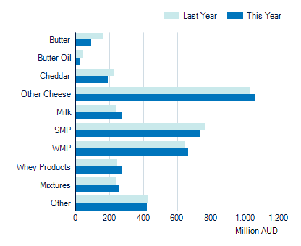
Value ('000 AUD) |  |  | Last Year Jul - Jun |  | This Year Jul - Jun |  | % Change
Butter |  |  | 167,829 |  | 92,264 |  | -45.0%
Butter Oil |  |  | 46,527 |  | 28,493 |  | -38.8%
Cheddar |  |  | 226,928 |  | 192,515 |  | -15.2%
Other Cheese |  |  | 1,028,325 |  | 1,063,730 |  | 3.4%
Milk |  |  | 238,199 |  | 274,386 |  | 15.2%
SMP |  |  | 769,066 |  | 739,821 |  | -3.8%
WMP |  |  | 647,866 |  | 665,089 |  | 2.7%
Whey Products |  |  | 249,278 |  | 275,739 |  | 10.6%
Mixtures |  |  | 243,201 |  | 259,693 |  | 6.8%
Other Dairy Products |  |  | 425,330 |  | 423,929 |  | -0.3%
Total |  |  | 4,042,548 |  | 4,015,658 |  | -0.7%

 | Produced by the Economics, Data and Insights team at Dairy Australia Source Australian Bureau of Statistics Disclaimer The content of this publication is provided for general information only and has not been prepared to address your specific circumstances. We do not guarantee the completeness, accuracy or timeliness of the information.

