Index
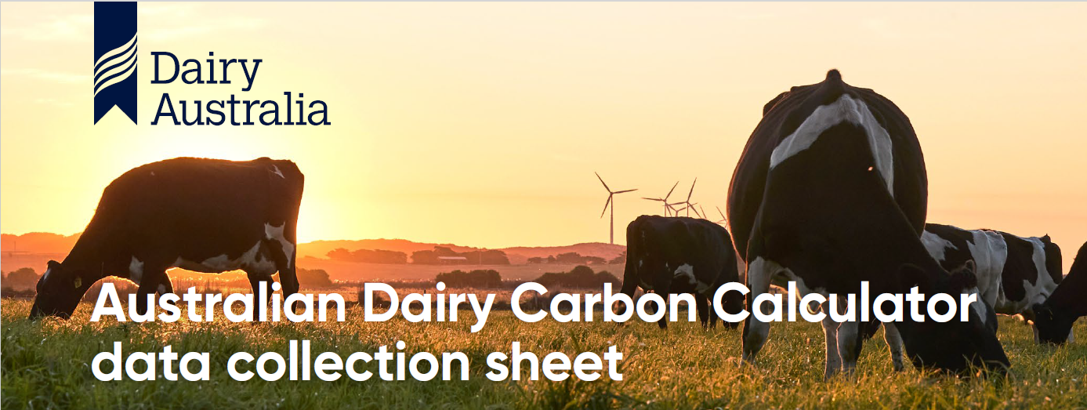
This datasheet can help to compile the information you will need to complete your farm carbon calculation using the Australian Dairy Carbon Calculator (ADCC)

Instructions: As you progress through the data collection tool, enter data as required into yellow cells only. Cells may become active (yellow) or inactive (white) based on data entered earlier in the sheet. It is important that you complete worksheets from the top down. To navigate between worksheets, you can use the Blue "Next Sheet", "Previous Sheet", or "Index" hyperlinks. To jump to a particular sheet, use the Index hyperlinks below, or select the relevant tab at the bottom of your screen. To reset a sheet to its original blank state, press the "Clear input cells" button on the relevant sheet. This will permanently delete any previously entered data.

Section | Sheet name
1 | Farm details
2 | Livestock
3 | Milk production
4 | Diet
5 | Fertilisers - total tonnes | Or | Fertilisers - kg/ha
6 | Energy Consumption
7 | Purchased Supplements
8 | Effluent
9 | Trees

Macros Instructions
Australian Dairy Carbon Calculator Data Collection Tool
Version 2 May2026

Important information: download this Excel file to a computer desktop or document folder and enable the macros. If the macros are not enabled, follow these steps:
• Close the file.
• Find the file in the saved location/folder.
• Right click on the file and select Properties.
• At the bottom of the General tab, tick the Unblock checkbox and select Apply and then OK.
• Open the file.

If the above did not enable the macros, follow these steps:
• Open the file.
• Go to File > Options > Trust Center > Trust Center Settings > Trusted Locations.
• Add the saved location/folder (this tells Excel that it is safe to run macros from that location).

Farm details
Clear input cells
Farm details

Financial year (eg FY25 or 24/25)
Data collector name
Property name
State
Region
Comparison region or system

Back to index | Next sheet

Livestock
Livestock data
 | Note that milking cows is the number of cows milked for a minimum of two months over the assessment period, which may be greater than your average milking herd size. If you retain some or all of your non-replacement calves (heifers and bulls/steers) beyond post-weaning, these need to be recorded in the 'other stock' column. If you sell separate groups of stock (within the same class) at different times throughout the year, record separately in the Other Stock table beneath the main data table. The last two columns are for calves that are sold soon after birth or sold post weaning at around 100kg live weight. Typical live weight gain is between 0.6 and 0.75 kg per day depending on the breed, with Jerseys at the lower end and large-framed Holstein Friesians (>600 kg) at the upper range.

Clear input cells

 | Milking cows | Replacement heifers >1 yr of age (13+ months old) | Replacement heifers 1-12 months old | Mature bulls | Other stock 1-12 months old (young bulls, steers or non-replacements) | Other stock 13+ months old (young bulls, steers or non-replacements) | Calves sold soon after birth (1-2 weeks) | Calves sold post-weaning (~100kg liveweight)
Number of animals
Average liveweight at start of year
Average liveweight at end of year
Average liveweight |  | 0 | 0 | 0 | 0 | 0 | 0 | 0
Daily liveweight gain (kg/day) |  | 0 | 0 | 0 | 0 | 0 | 0 | 0
Number sold
Average liveweight when sold

Other stock

Mature cow liveweight
Relative weight advantage of steers vs heifers
 | Less than 1 year old heifers | Less than 1 year old steers | Older than 1 year old heifers | Older than 1 year old steers
Mob 1
Mob 2
Mob 3
Mob 4
Retained Stock

Back to index | Previous sheet | Next sheet

Milk production
Clear input cells
Milk production

Recording as litres or kg milk solids?
Annual milk production (From milk supply statement)
Average fat %
Average protein %
Average lactation length (days)
Do you feed calves milk from the vat? (excludes colostrum and hospital herd milk)
Number of calves fed milk from vat
Number of days
Litres per day or litres per calf?
Litres per day
Litres per calf
Total calf milk

Total annual milk production | 0

Back to index | Previous sheet | Next sheet

Fertilisers - total tonnes
Clear input cells
Record total tonnes applied fertiliser
Note: do not include any fertiliser purchased but not spread during this financial year - this needs to be accounted for in its year of application
Fertiliser name |  | Composition %
 | Tonnes applied | N | P | K | S | Outputs to enter into ADCC

 |  |  |  |  |  |  |  | N | P | K | S | % N from Urea
 |  |  |  |  |  | Total tonnes |  | 0 | 0 | 0 | 0 | 0

 |  |  |  |  |  | Total tonnes lime/dolomite |  |  | 0

 |  |  |  |  |  | Back to index | Previous sheet | Next sheet

Fertilisers - kg per ha
Clear input cells
Record kilograms fertiliser applied per hectare
Note: do not include any fertiliser purchased but not spread during this financial year - this needs to be accounted for in its year of application
Fertiliser name |  | Application rate | Composition %
 | Hectares | Kg/ha | N | P | K | S | Outputs to enter into ADCC

 |  |  |  |  |  |  |  |  | N | P | K | S | % N from Urea
 |  |  |  |  |  |  | Total tonnes |  | 0 | 0 | 0 | 0 | 0

 |  |  |  |  |  |  | Total tonnes lime/dolomite |  |  | 0

 |  |  |  |  |  |  | Back to index | Previous sheet | Next sheet

Energy consumption
Clear input cells
Electricity use
Please record the electricity used in all parts of the dairy farming operation, including milking, other sheds,irrigation, electric fencing etc
If houses are on a separate meter to the dairy, do not include any house/worker accommodation power usage
While different energy provider bills vary in how they present the information, most will provide average daily kWh. If your bill is structured differently, please ensure you convert to daily average use
Note: Financial year must be entered into the Farm details tab prior to completing this section
Dairy meter |  | Meter 2 |  | Meter 3 |  | Data to enter into ADCC

Month | Average daily kWh | Month | Average daily kWh | Month | Average daily kWh | Total electricity use | #VALUE! | kWh
July |  | July |  | July
August |  | August |  | August |  | Total fuel use | 0 | Litres
September |  | September |  | September
October |  | October |  | October |  | Contractor fuel use | 0 | Litres
November |  | November |  | November
December |  | December |  | December
January |  | January |  | January
February |  | February |  | February
March |  | March |  | March
April |  | April |  | April |  | Back to index | Previous - Fertilisers total tonnes | Next sheet
May |  | May |  | May |  |  | Previous - Fertilisers kg/ha
June |  | June |  | June

 |  |  |  | For estimating all fuel consumed, we must also consider any contractor activities that occur on farm where fuel use was not reported above. Please select the activity from the dropdown list any activities that were completed by a contractor on farm and enter the hectares.

Diesel |  | ULP |  | Contractor fuel use
 |  |  |  | Activity | Hectares
Month | Litres | Month | Litres
July |  | July
August |  | August
September |  | September
October |  | October
November |  | November
December |  | December
January |  | January
February |  | February
March |  | March
April |  | April
May |  | May
June |  | June

Purchased Supplements
Clear input cells
Purchased feed
Provide detail on purchased feed/supplements that have been fed out this year to all classes of stock, and the percentage fed to the milking herd. Please enter all values as total tonnes (not tonnes dry matter)
Grains and concentrates |  |  | Hay |  |  | Data to enter into ADCC
Feed type | Tonnes purchased | % fed on milking platform | Feed type | Tonnes purchased | % fed on milking platform | Purchased pasture, cereal, lucerne or legume hay (t DM) | 0.0 | t DM
Milker pellets
Lead feed |  |  |  |  |  | Percentage of purchased hay fed on the milking platform |  | %
Calf pellets
 |  |  |  |  |  | Purchased grain and concentrates (t DM) | 0.0 | t DM

 |  |  |  |  |  | Percentage of purchased grain & concentrates fed on the milking platform |  | %

 |  |  |  |  |  | Purchased pasture, cereal or maize silage (t DM) | 0.0 | t DM

 |  |  | Other hay 1 |  |  | Percentage of purchased silage fed on the milking platform |  | %
 |  |  | Other hay 2
Other concentrates |  |  | Other hay 3 |  |  | Purchased by-products (t DM) | 0.0 | t DM

 |  |  |  |  |  | Percentage of purchased by-products fed on the milking platform |  | %
Silage |  |  | By-products
Feed type | Tonnes purchased | % fed on milking platform | Feed type | Tonnes purchased | % fed on milking platform

 |  |  |  |  |  | Back to index | Previous sheet | Next sheet

Other silage 1
Other silage 2
Other silage 3 |  |  | Other by-products

Effluent
Clear input cells
Manure management
The ADCC does provide an option to use default state based factors and fractions for effluent management. This is applicable to dairies where the cows spend roughly 2-4 hours per day on the dairy, with little other time off paddocks or with effluent management interventions such as solids separation. If this is the case for your farm, you may consider selecting "Default state based factors and fractions" on the ADCC. It is important to understand that while the default values can be approximately representative, it is encouraged that you record actual figures to ensure your calculation is as representative, and as a result actionable as possible. If all ‘other stock’ classes also spend a proportion of time off-paddock (i.e. mostly only relevant for fully-housed TMR farms, not because you have them yarded occasionally for treatment, weighing, pre-testing etc.), you will also need to answer questions about how the manure from these animals is handled. However, if these animals are outdoors year round, leave the questions for these blank so the default 100% of manure deposited onto paddocks remains activated.
 | Hours | Days
Number of hours per day and days per annum a milker spends at the dairy and adjacent yards where the waste is flushed with water

Percentage of waste that is flushed and then drains to the paddock with no treatment/ removal of solids |  | %
Percentage of waste that is flushed and then spread daily from a sump/dispersal system (with or without removal of solids) |  | %
Balance assumed to be flushed and then enter a pond/lagoon system | 100 | %

Do you pre-treat the waste prior to spreading daily from a sump system or entering the lagoon (e.g. weeping wall, solids trap, mechanical separator to remove a fraction of the solids)?
If yes, what percentage of the waste is removed via the pre-treatment process? |  | %

Number of hours per day and days per annum a milker spend on a feedpad or loafing area or are housed (TMR farm) |  | Hours
 |  | Days per annum
Select the option which best describes how the majority of this waste from the feedpad or loafing area is best handled

All other stock

Select which stock are present on a feedpad or loafing pad | Heifers >1 yr age | Heifers < 1 yr age | Mature bulls | Other stock < 1 yr age | Other stock > 1 yr age

Hours per day on the feedpad or loafing area
Days per annum on the feedpad of loafing area

Select the option which best describes how this waste from the feedpad or loafing area is best handled

 | Back to index | Previous sheet

Trees
Clear input cells
Trees
Provide details of any planted trees on the farm. Priority should be given to areas of trees planted in the last 25 years
Select your Rainfall Region

Area | Area (ha) | Age of trees | Species of trees
Area 1
Area 2
Area 3
Area 4
Area 5
Area 6
Area 7
Area 8
Area 9
Area 10

Data to enter into ADCC
Region | 0
Tree type | 0
Area of trees (ha) | 0
Age of trees

Back to index | Previous sheet | Next sheet

